3. Salary and Fringe
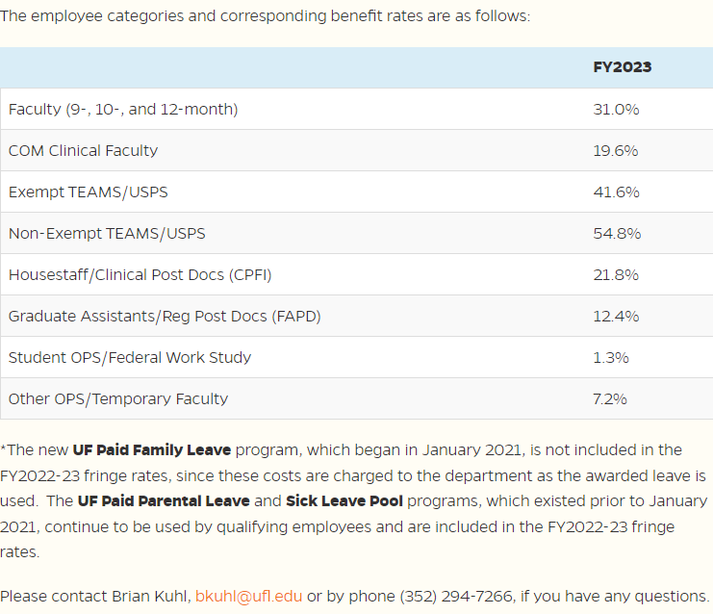
University of Florida
Fee-for-Service Educational Activity Rate Calculation
Estimated Salary & Fringes Allocation

This page to be completed by Rate Requestor.

 |  | Funding Source |  |  |  |  |  |  |  |  |  | Cost Allocation |  |  |  |  |  |  |  |  |  | Check Total
Employee Name | Position | Subsidy (Yes/No) | Fund | Department | Type | Salary | Fringe Rate** | Fringe | Total | % Salary to FSEA | Total to FSEA | 0 | % of Time | 0 | % of Time | 0 | % of Time | 0 | % of Time | 0 | % of Time
 |  |  |  |  |  |  |  | - | - |  | - | - | 0% | - | 0% | - | 0% | - | 0% | - | 0% | - | 0%
 |  |  |  |  |  |  |  | - | - |  | - | - | 0% | - | 0% | - | 0% | - | 0% | - | 0% | - | 0%
 |  |  |  |  |  |  |  | - | - |  | - | - | 0% | - | 0% | - | 0% | - | 0% | - | 0% | - | 0%
 |  |  |  |  |  |  |  | - | - |  | - | - | 0% | - | 0% | - | 0% | - | 0% | - | 0% | - | 0%
 |  |  |  |  |  |  |  | - | - |  | - | - | 0% | - | 0% | - | 0% | - | 0% | - | 0% | - | 0%
 |  |  |  |  |  |  |  | - | - |  | - | - | 0% | - | 0% | - | 0% | - | 0% | - | 0% | - | 0%
 |  |  |  |  |  |  |  | - | - |  | - | - | 0% | - | 0% | - | 0% | - | 0% | - | 0% | - | 0%
 |  |  |  |  |  |  |  | - | - |  | - | - | 0% | - | 0% | - | 0% | - | 0% | - | 0% | - | 0%
 |  |  |  |  |  |  |  | - | - |  | - | - | 0% | - | 0% | - | 0% | - | 0% | - | 0% | - | 0%
 |  |  |  |  |  |  |  | - | - |  | - | - | 0% | - | 0% | - | 0% | - | 0% | - | 0% | - | 0%
 |  |  |  |  |  |  |  | - | - |  | - | - | 0% | - | 0% | - | 0% | - | 0% | - | 0% | - | 0%
 |  |  |  |  |  |  |  | - | - |  | - | - | 0% | - | 0% | - | 0% | - | 0% | - | 0% | - | 0%
 |  |  |  |  |  |  |  | - | - |  | - | - | 0% | - | 0% | - | 0% | - | 0% | - | 0% | - | 0%
 |  |  |  |  |  |  |  | - | - |  | - | - | 0% | - | 0% | - | 0% | - | 0% | - | 0% | - | 0%
 |  |  |  |  |  |  |  | - | - |  | - | - | 0% | - | 0% | - | 0% | - | 0% | - | 0% | - | 0%
 |  |  |  |  |  |  |  | - | - |  | - | - | 0% | - | 0% | - | 0% | - | 0% | - | 0% | - | 0%
 |  |  |  |  | Totals | - |  | - | - |  | - | - |  | - |  | - |  | - |  | - |  | - | -
 |  |  |  |  |  |  |  |  |  |  |  | Amounts carry to expense summary

METHOD USED TO ALLOCATE SALARY BETWEEN THE SERVICE LINES:

**Fringe Benefits Rates Approved Annually
Fringe Benefits Pool – UF Human Resources (ufl.edu)

5. Overhead Expenses
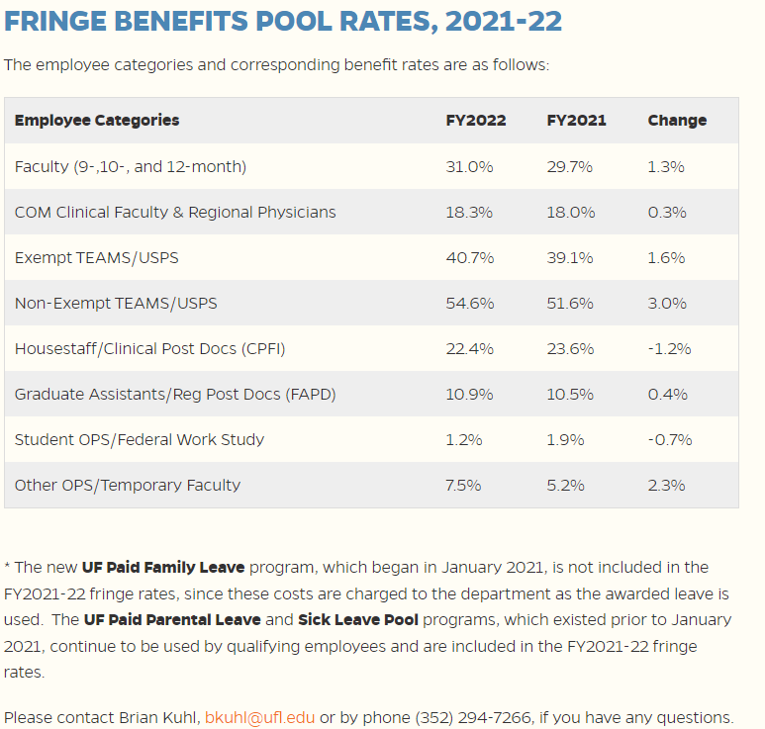
University of Florida
Fee-for-Service Educational Activity Rate Calculation
Overhead/Indirect Expenses

This page to be completed by Rate Requestor.

 | Funding Source |  |  | Salary |  |  |  |  | Expenditure
Account Description | Subisdy (Yes/No) | Fund | Type/ Account | Annual Salary | % Directly Related to FSEA | FSEA Salary | Fringe Rate | Fringe | Amount | Total
 |  |  |  |  |  | - |  | - |  | -
 |  |  |  |  |  | - |  | - |  | -
 |  |  |  |  |  | - |  | - |  | -
 |  |  |  |  |  | - |  | - |  | -
 |  |  |  |  |  | - |  | - |  | -
 |  |  |  |  |  | - |  | - |  | -
 |  |  |  |  |  | - |  | - |  | -
 |  |  |  |  |  | - |  | - |  | -
 |  |  |  |  |  | - |  | - |  | -
 |  |  |  |  |  | - |  | - |  | -
 |  |  |  |  |  | - |  | - |  | -
 |  |  |  |  |  | - |  | - |  | -
 |  |  |  |  |  | - |  | - |  | -
 |  |  |  |  |  | - |  | - |  | -
 |  |  |  |  |  | - |  | - |  | -
 |  |  | Totals |  |  | - |  | - | - | -
 |  |  |  |  |  |  |  |  |  | Total to Expense Summary

Expense account names can be found at:
Operating Expenses (ufl.edu)

